Network
NS1 |  |  |  |  |  |  |  |  |  |  | NS1
 | FROM |  |  |  | TO |  | CABLE |  |  |  | Port No. | 0 | 2 | 4 | 6 | 8 | 10 | 12 | 14 | 16 | 18 | 20 | 22 | 24 | 26 | 28 | 30 | MGMT
 | Logical Location | Server location | Device | Port | Port | Switch | Cable Type | Cable End | Length |  | Server: | Server 27 | Server 28 | Server 29 | Uplink | Uplink | Server 30 | Server 31 | Server 32 | Server 33 | Server 34 | Server 35 | Uplink | Uplink | Server 36 | Server 37
 | Reserved | Uplink | N/A |  | 6 | NS1 | 100G AOC | N/A | N/A |  | Server: | Server 3 | Server 4 | Server 5 | Uplink | Uplink | Server 6 | Server 7 | Server 8 | Server 9 | Server 10 | Server 11 | Uplink | Uplink | Server 12 | Server 13
 | Reserved | Uplink | N/A |  | 7 | NS1 | 100G AOC | N/A | N/A |  | Port No. | 1 | 3 | 5 | 7 | 9 | 11 | 13 | 15 | 17 | 19 | 21 | 23 | 25 | 27 | 29 | 31 | CON
 | Reserved | Uplink | N/A |  | 8 | NS1 | 100G AOC | N/A | N/A |  |  |  |  |  |  | Server – CP FPGA |  |  | Uplink |  |  | 10G Port
 | Reserved | Uplink | N/A |  | 9 | NS1 | 100G AOC | N/A | N/A
 | Reserved | Uplink | N/A |  | 22 | NS1 | 100G AOC | N/A | N/A
 | Reserved | Uplink | N/A |  | 23 | NS1 | 100G AOC | N/A | N/A |  |  |  |  |  |  |  |  |  |  |  | All Cable Routing to the Right
 | Reserved | Uplink | N/A |  | 24 | NS1 | 100G AOC | N/A | N/A
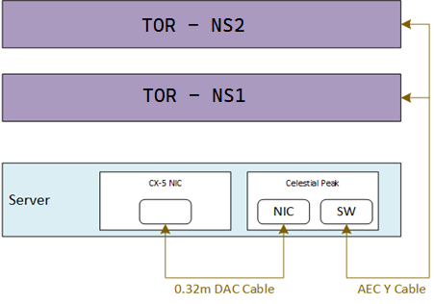
 | Reserved | Uplink | N/A |  | 25 | NS1 | 100G AOC | N/A | N/A
 | Server 37 | SOC | CP FPGA | 1 | 28 | NS1 | 100G Y AEC | 1 | 1.5M
 | Server 36 | SOC | CP FPGA | 1 | 26 | NS1 | 100G Y AEC | 1 | 1.5M
 | Server 35 | SOC | CP FPGA | 1 | 20 | NS1 | 100G Y AEC | 1 | 1.5M
 | Server 34 | SOC | CP FPGA | 1 | 18 | NS1 | 100G Y AEC | 1 | 1.5M
 | Server 33 | SOC | CP FPGA | 1 | 16 | NS1 | 100G Y AEC | 1 | 1.5M
 | Server 32 | SOC | CP FPGA | 1 | 14 | NS1 | 100G Y AEC | 1 | 1.5M
 | Server 31 | SOC | CP FPGA | 1 | 12 | NS1 | 100G Y AEC | 1 | 1.5M
 | Server 30 | SOC | CP FPGA | 1 | 10 | NS1 | 100G Y AEC | 1 | 1M
 | Server 29 | SOC | CP FPGA | 1 | 4 | NS1 | 100G Y AEC | 1 | 1M
 | Server 28 | SOC | CP FPGA | 1 | 2 | NS1 | 100G Y AEC | 1 | 1M
 | Server 27 | SOC | CP FPGA | 1 | 0 | NS1 | 100G Y AEC | 1 | 1M
 | Server 13 | SOC | CP FPGA | 1 | 29 | NS1 | 100G Y AEC | 1 | 1M
 | Server 12 | SOC | CP FPGA | 1 | 27 | NS1 | 100G Y AEC | 1 | 1M
 | Server 11 | SOC | CP FPGA | 1 | 21 | NS1 | 100G Y AEC | 1 | 1.5M
 | Server 10 | SOC | CP FPGA | 1 | 19 | NS1 | 100G Y AEC | 1 | 1.5M
 | Server 9 | SOC | CP FPGA | 1 | 17 | NS1 | 100G Y AEC | 1 | 1.5M
 | Server 8 | SOC | CP FPGA | 1 | 15 | NS1 | 100G Y AEC | 1 | 1.5M
 | Server 7 | SOC | CP FPGA | 1 | 13 | NS1 | 100G Y AEC | 1 | 1.5M
 | Server 6 | SOC | CP FPGA | 1 | 11 | NS1 | 100G Y AEC | 1 | 1.5M
 | Server 5 | SOC | CP FPGA | 1 | 5 | NS1 | 100G Y AEC | 1 | 2M
 | Server 4 | SOC | CP FPGA | 1 | 3 | NS1 | 100G Y AEC | 1 | 2M |  |  |  |  |  |  |  |  |  |  |  | All Cable Routing to the Right
 | Server 3 | SOC | CP FPGA | 1 | 1 | NS1 | 100G Y AEC | 1 | 2M

NS2 |  |  |  |  |  |  |  |  |  |  | NS2
 | FROM |  |  |  | TO |  | CABLE |  |  |  | Port No. | 0 | 2 | 4 | 6 | 8 | 10 | 12 | 14 | 16 | 18 | 20 | 22 | 24 | 26 | 28 | 30 | MGMT
 | Logical Location | Server location | Device | Port | Port | Switch | Cable Type | Cable End | Length |  | Server: | Server 27 | Server 28 | Server 29 | Uplink | Uplink | Server 30 | Server 31 | Server 32 | Server 33 | Server 34 | Server 35 | Uplink | Uplink | Server 36 | Server 37
 | Reserved | Uplink | N/A |  | 6 | NS2 | 100G AOC | N/A | N/A |  | Server: | Server 3 | Server 4 | Server 5 | Uplink | Uplink | Server 6 | Server 7 | Server 8 | Server 9 | Server 10 | Server 11 | Uplink | Uplink | Server 12 | Server 13
 | Reserved | Uplink | N/A |  | 7 | NS2 | 100G AOC | N/A | N/A |  | Port No. | 1 | 3 | 5 | 7 | 9 | 11 | 13 | 15 | 17 | 19 | 21 | 23 | 25 | 27 | 29 | 31 | CON
 | Reserved | Uplink | N/A |  | 8 | NS2 | 100G AOC | N/A | N/A |  |  |  |  |  |  | Server – CP FPGA |  |  | Uplink |  |  | 10G Port
 | Reserved | Uplink | N/A |  | 9 | NS2 | 100G AOC | N/A | N/A
 | Reserved | Uplink | N/A |  | 22 | NS2 | 100G AOC | N/A | N/A
 | Reserved | Uplink | N/A |  | 23 | NS2 | 100G AOC | N/A | N/A
 | Reserved | Uplink | N/A |  | 24 | NS2 | 100G AOC | N/A | N/A
 | Reserved | Uplink | N/A |  | 25 | NS2 | 100G AOC | N/A | N/A
 | Server 37 | SOC | CP FPGA | 2 | 28 | NS2 | 100G Y AEC | 2 | 1.5M
 | Server 36 | SOC | CP FPGA | 2 | 26 | NS2 | 100G Y AEC | 2 | 1.5M
 | Server 35 | SOC | CP FPGA | 2 | 20 | NS2 | 100G Y AEC | 2 | 1.5M
 | Server 34 | SOC | CP FPGA | 2 | 18 | NS2 | 100G Y AEC | 2 | 1.5M
 | Server 33 | SOC | CP FPGA | 2 | 16 | NS2 | 100G Y AEC | 2 | 1.5M
 | Server 32 | SOC | CP FPGA | 2 | 14 | NS2 | 100G Y AEC | 2 | 1.5M
 | Server 31 | SOC | CP FPGA | 2 | 12 | NS2 | 100G Y AEC | 2 | 1.5M
 | Server 30 | SOC | CP FPGA | 2 | 10 | NS2 | 100G Y AEC | 2 | 1M
 | Server 29 | SOC | CP FPGA | 2 | 4 | NS2 | 100G Y AEC | 2 | 1M
 | Server 28 | SOC | CP FPGA | 2 | 2 | NS2 | 100G Y AEC | 2 | 1M
 | Server 27 | SOC | CP FPGA | 2 | 0 | NS2 | 100G Y AEC | 2 | 1M
 | Server 13 | SOC | CP FPGA | 2 | 29 | NS2 | 100G Y AEC | 2 | 1M
 | Server 12 | SOC | CP FPGA | 2 | 27 | NS2 | 100G Y AEC | 2 | 1M
 | Server 11 | SOC | CP FPGA | 2 | 21 | NS2 | 100G Y AEC | 2 | 1.5M
 | Server 10 | SOC | CP FPGA | 2 | 19 | NS2 | 100G Y AEC | 2 | 1.5M
 | Server 9 | SOC | CP FPGA | 2 | 17 | NS2 | 100G Y AEC | 2 | 1.5M
 | Server 8 | SOC | CP FPGA | 2 | 15 | NS2 | 100G Y AEC | 2 | 1.5M
 | Server 7 | SOC | CP FPGA | 2 | 13 | NS2 | 100G Y AEC | 2 | 1.5M
 | Server 6 | SOC | CP FPGA | 2 | 11 | NS2 | 100G Y AEC | 2 | 1.5M
 | Server 5 | SOC | CP FPGA | 2 | 5 | NS2 | 100G Y AEC | 2 | 2M
 | Server 4 | SOC | CP FPGA | 2 | 3 | NS2 | 100G Y AEC | 2 | 2M |  |  | All Cable Routing to the Left
 | Server 3 | SOC | CP FPGA | 2 | 1 | NS2 | 100G Y AEC | 2 | 2M

MGMT1 |  |  |  |  |  |  |  |  |  |  | MGMT1
 | FROM |  | TO |  | Cable |  |  |  |  |  | Port No. | Console | 1 | 3 | 5 | 7 | 9 | 11 | 13 | 15 | 17 | 19 | 21 | 23 | 25 | 27 | 29 | 31 | 33 | 35 | 37 | 39 | 41 | 43 | 45 | 47
 | Device | Port | Port | Switch | Cable Type | Length (FT) | Length (MM) |  |  |  | Server: | PMDU |  | Server 3 | Server 5 | Server 7 | Server 9 | Server 11 | Server 13 |  |  |  |  |  | PMDU | Server 27 | Server 29 | Server 31 | Server 33 | Server 35 | Server 37
 | PMDU | NIC 2 | 25 | MGMT1 | 1G Cat6 | 12 Feet | 3660mm |  |  |  | Server: |  |  | Server 4 | Server 6 | Server 8 | Server 10 | Server 12 |  |  |  |  |  |  |  | Server 28 | Server 30 | Server 32 | Server 34 | Server 36
 | PMDU | RJ4 | Console | MGMT1 | 1G Cat6 | 12 Feet | 3660mm |  |  |  | Port No. | MGMT | 2 | 4 | 6 | 8 | 10 | 12 | 14 | 16 | 18 | 20 | 22 | 24 | 26 | 28 | 30 | 32 | 34 | 36 | 38 | 40 | 42 | 44 | 46 | 48
 | Server 37 | 1G Port 1 | 37 | MGMT1 | 1G Cat6 | 4.25 feet | 1295mm
 | Server 36 | 1G Port 1 | 36 | MGMT1 | 1G Cat6 | 4.25 feet | 1295mm
 | Server 35 | 1G Port 1 | 35 | MGMT1 | 1G Cat6 | 4.25 feet | 1295mm
 | Server 34 | 1G Port 1 | 34 | MGMT1 | 1G Cat6 | 4.25 feet | 1295mm
 | Server 33 | 1G Port 1 | 33 | MGMT1 | 1G Cat6 | 3.25 feet | 991mm
 | Server 32 | 1G Port 1 | 32 | MGMT1 | 1G Cat6 | 3.25 feet | 991mm
 | Server 31 | 1G Port 1 | 31 | MGMT1 | 1G Cat6 | 3.25 feet | 991mm
 | Server 30 | 1G Port 1 | 30 | MGMT1 | 1G Cat6 | 3.25 feet | 838mm
 | Server 29 | 1G Port 1 | 29 | MGMT1 | 1G Cat6 | 2.75 feet | 838mm
 | Server 28 | 1G Port 1 | 28 | MGMT1 | 1G Cat6 | 2.75 feet | 838mm
 | Server 27 | 1G Port 1 | 27 | MGMT1 | 1G Cat6 | 2.75 feet | 838mm
 | Server 13 | 1G Port 1 | 13 | MGMT1 | 1G Cat6 | 3.25 feet | 991mm
 | Server 12 | 1G Port 1 | 12 | MGMT1 | 1G Cat6 | 3.75 feet | 1143mm
 | Server 11 | 1G Port 1 | 11 | MGMT1 | 1G Cat6 | 3.75 feet | 1143mm
 | Server 10 | 1G Port 1 | 10 | MGMT1 | 1G Cat6 | 3.75 feet | 1143mm
 | Server 9 | 1G Port 1 | 9 | MGMT1 | 1G Cat6 | 3.75 feet | 1143mm
 | Server 8 | 1G Port 1 | 8 | MGMT1 | 1G Cat6 | 4.25 feet | 1295mm
 | Server 7 | 1G Port 1 | 7 | MGMT1 | 1G Cat6 | 4.25 feet | 1295mm
 | Server 6 | 1G Port 1 | 6 | MGMT1 | 1G Cat6 | 4.25 feet | 1295mm
 | Server 5 | 1G Port 1 | 5 | MGMT1 | 1G Cat6 | 4.25 feet | 1295mm
 | Server 4 | 1G Port 1 | 4 | MGMT1 | 1G Cat6 | 4.75 feet | 1448mm
 | Server 3 | 1G Port 1 | 3 | MGMT1 | 1G Cat6 | 4.75 feet | 1448mm

PMDU1 |  |  |  |  |  |  |  |  |  | PMDU1
 | FROM |  | TO |  | Cable |  |  |  |  | Port No. | NIC 1 | NIC 2 |  |  |  | RM1 |  |  |  | RC3 | RC4
 | Device | Port | Port | Switch | Cable Type | Length (FT) | Length (MM) |  |  | Server: | M0 | MGMT1 |  |  |  | ROWMGR |  |  |  |  | NS1
 | MGMT1 | 25 | N/A | NIC 2 | 1G Cat6 | 12 Feet | 3660mm |  |  | Server: |  |  |  |  |  | C0 | MGMT1 | DEBUG |  | MGMT1 | NS2
 | MGMT1 | Console | N/A | RJ4 | 1G Cat6 | 12 Feet | 3660mm |  |  | Port No. |  |  |  |  |  | RJ3 | RJ4 | RJ5 |  | RC1 | RC2
 | DEBUG | Front of Rack | N/A | RJ5 | 1G Cat6 | 12 Feet | 3660mm |  |  | MAINTENANCE |  |  | MGMT SWITCH |  |  | MOR |  |  | RELAY CONTROL PORTS
 | MOR | ROWMGR | N/A | RM1 | 1G Cat6 | TBD | TBD
 | MOR | M0 | N/A | NIC 1 | 1G Cat6 | TBD | TBD
 | MOR | C0 | N/A | RJ3 | 1G Cat6 | TBD | TBD
 | MGMT1 | PSU1 | PMDU RJ45 Splitter 1 | RC1 | Relay RJ45 Cable | 6 feet | 1828mm
 | MGMT1 | PSU2 | PMDU RJ45 Splitter 1 | RC1 | Relay RJ45 Cable | 6 feet | 1828mm
 | NS1 | PSU1 | PMDU RJ45 Splitter 2 | RC4 | Relay RJ45 Cable | 6 feet | 1828mm
 | NS1 | PSU2 | PMDU RJ45 Splitter 2 | RC4 | Relay RJ45 Cable | 6 feet | 1828mm
 | NS2 | PSU1 | PMDU RJ45 Splitter 3 | RC2 | Relay RJ45 Cable | 6 feet | 1828mm
 | NS2 | PSU2 | PMDU RJ45 Splitter 3 | RC2 | Relay RJ45 Cable | 6 feet | 1828mm

 | *Secure DEBUG cable at U32

Appendix
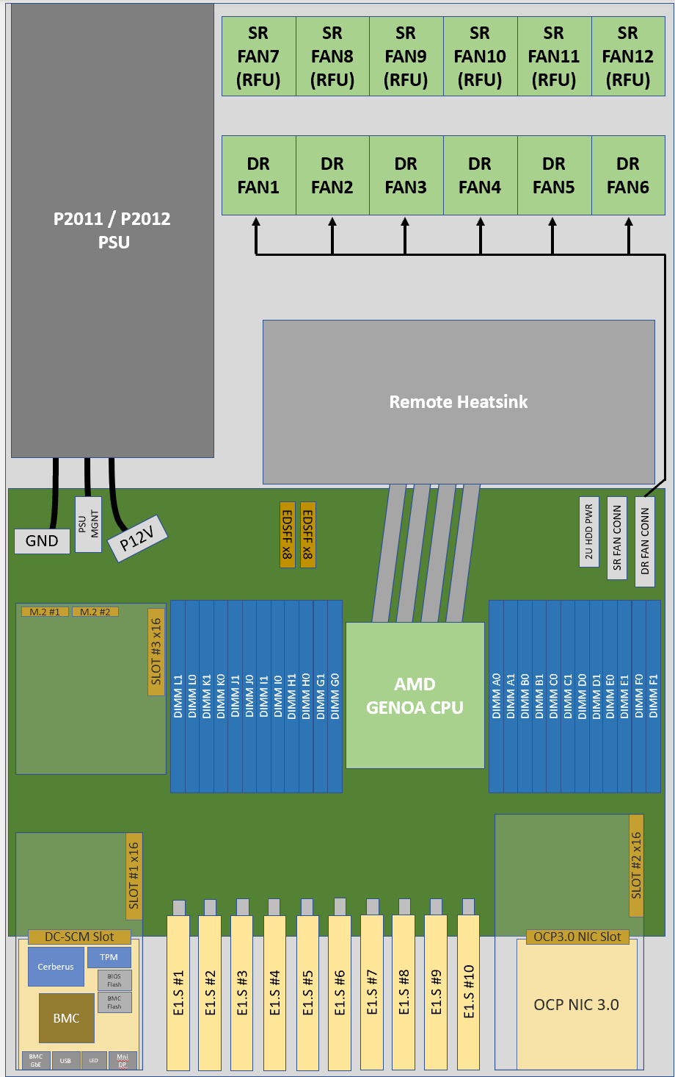
Deployment Notes
 | PDUs do not ship with whips; PDU whips will be ordered centrally and installed at the Datacenter

Manufacturing Notes
PLEASE CREATE AND PLACE LABELS ON POWER CABLES, NETWORK SWITCHES, AND CABLES.
ASSET TAG REQUIRED FOR EACH RACK, CHASSIS, NETWORK SWITCH, SERVER
 | All wire and cable retention in the rack shall be removable and replaceable without tools.
Secure 12' DEBUG cable with coupler in front of rack at U32

TOR Placement Notes
PLEASE INSTALL TOR SWITCH WITH THE PORTS FACING THE FRONT AND THE SWITCH REMOVAL FROM THE FRONT OF THE RACK CABINET.
PLEASE INSTALL NETWORK SWITCHES WITH THE CABLES ROUTED TO ALLOW REMOVAL OF SWITCHES WITHOUT IMPACTING OTHER DEVICES.
CREATE ALL APPROPRIATE RACK DOC AND DATA CAPTURE PROCESSES USING U LOCATION NUMBERING CONVENTION TO MATCH THE PHYSICAL NUMBERING ON THE RACK.

Data Capture Notes
The following data capture information needs to captured and documented via the Microsoft SharePoint at the below link as applicable.
All Asset Tag #s
Mac Address (Servers, Switches)
U locations
Serial #s of Rack, Switches and Servers
Rack and/or Server names

Rack Specification Notes
 | The following diagram is the physical footprint of the rack.

 | PMDU
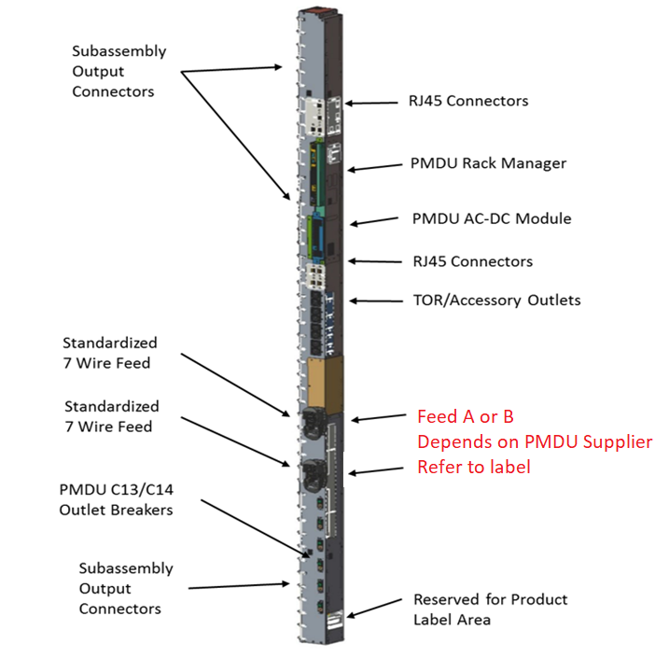

 | Rack

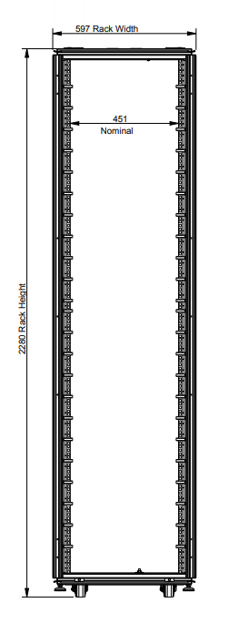
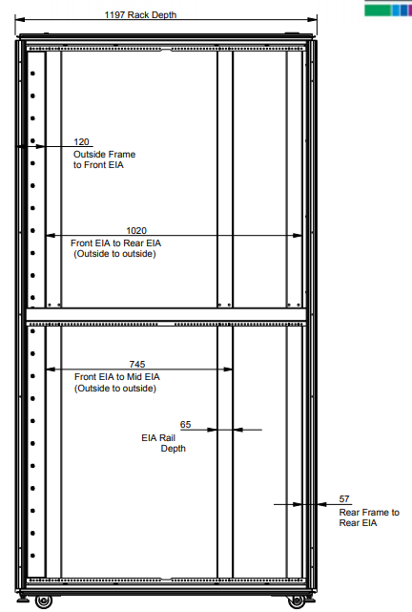

 | System Board C2195

Memory Map-GP-MM-MixMode
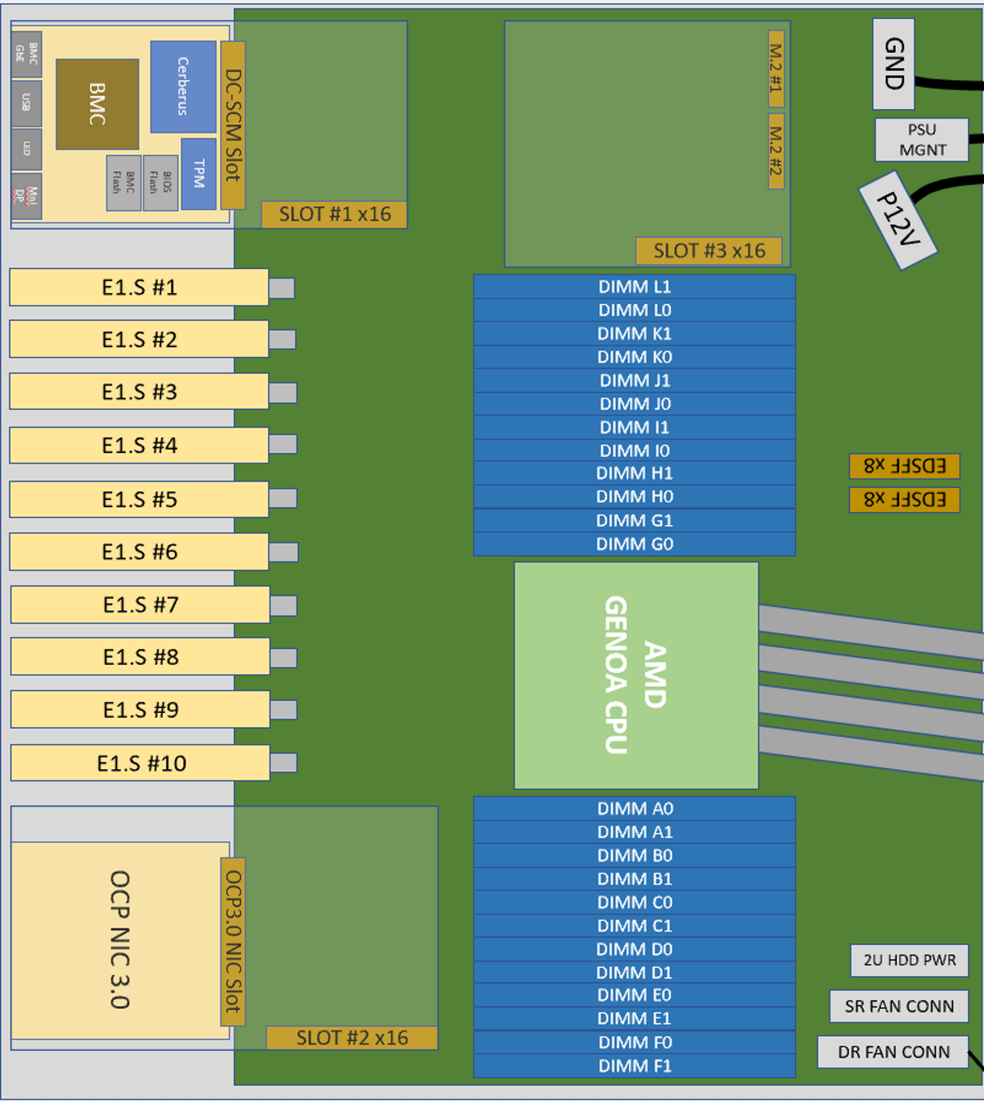
Version | 1 | Number of columns | 7
Device | C2195 | Subrole | GP-MM-MixMode
Row nbr | CPU | Channel | Slot | Capacity | DIMM Geometry | Notes
01 | CPU0 | L | 1 | 64 GB | 2Rx4
02 | CPU0 | L | 0
03 | CPU0 | K | 1 | 64 GB | 2Rx4
04 | CPU0 | K | 0
05 | CPU0 | J | 1 | 64 GB | 2Rx4
06 | CPU0 | J | 0
07 | CPU0 | I | 1 | 64 GB | 2Rx4
08 | CPU0 | I | 0
09 | CPU0 | H | 1 | 64 GB | 2Rx4
10 | CPU0 | H | 0
11 | CPU0 | G | 1 | 64 GB | 2Rx4
12 | CPU0 | G | 0
13 | CPU0
14 | CPU0 | A | 0
15 | CPU0 | A | 1 | 64 GB | 2Rx4
16 | CPU0 | B | 0
17 | CPU0 | B | 1 | 64 GB | 2Rx4
18 | CPU0 | C | 0
19 | CPU0 | C | 1 | 64 GB | 2Rx4
20 | CPU0 | D | 0
21 | CPU0 | D | 1 | 64 GB | 2Rx4
22 | CPU0 | E | 0
23 | CPU0 | E | 1 | 64 GB | 2Rx4
24 | CPU0 | F | 0
25 | CPU0 | F | 1 | 64 GB | 2Rx4

Storage Map-GP-MM-MixMode
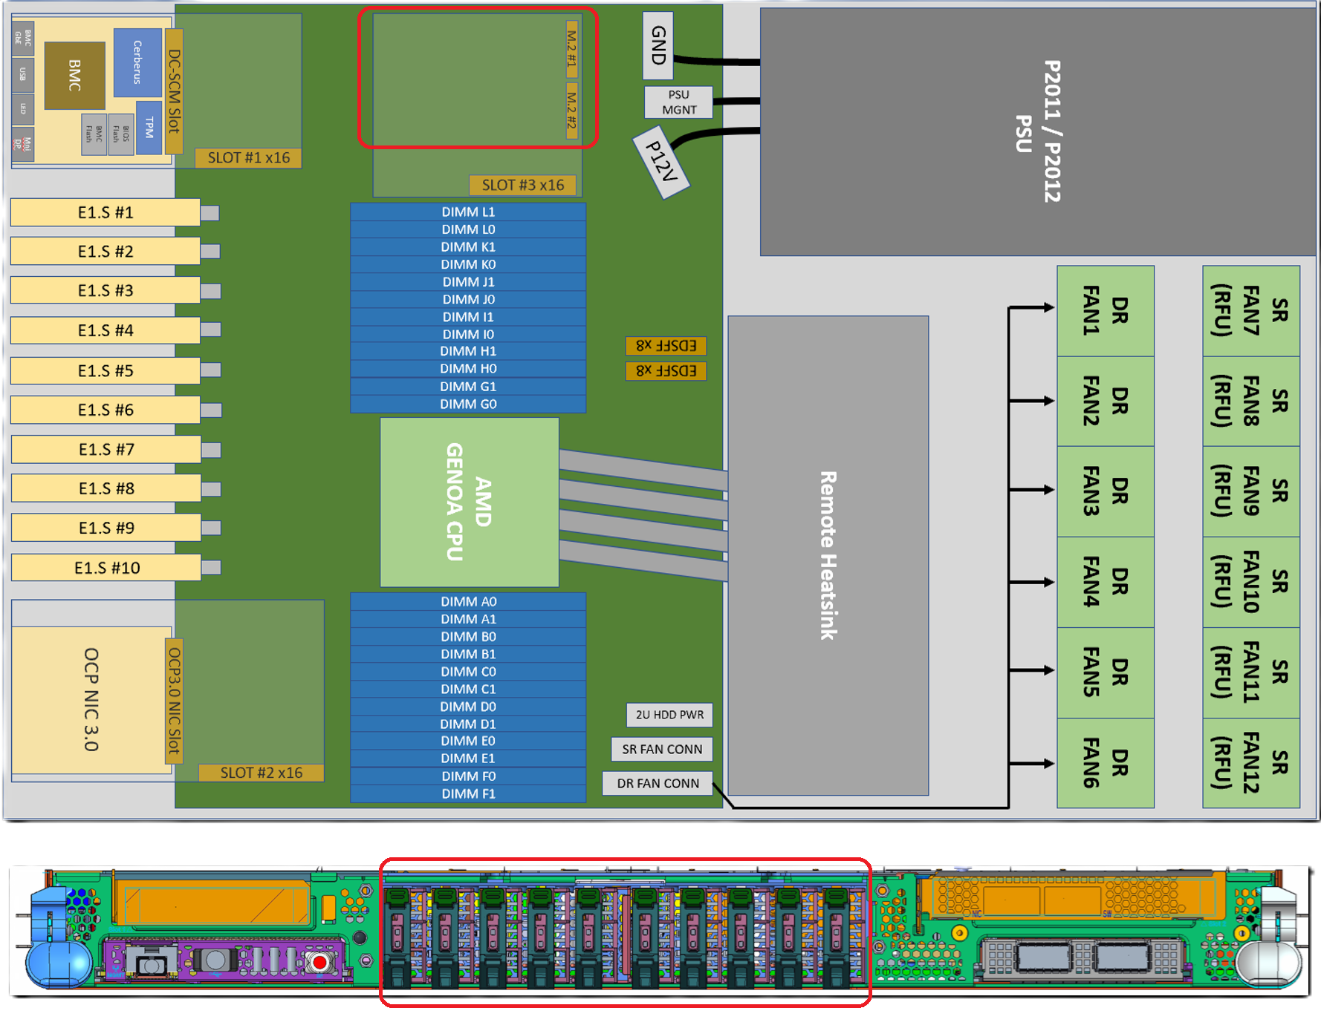
Version | 2 | Number of columns | 15
Device | C2195 | Subrole | GP-MM-MixMode
Row nbr | Controller | Port | System Connections | Physical Drive ID | Drive Type | Drive Capacity | Use | TCG Config | MPF | # Child Controllers | Admin SID | ZNS | DBD | Notes
01 | M.2 Storage | 1 | Internal | NA
02 | M.2 Storage | 2 | Internal | NA | M.2 | 960 GB | Boot | eDrive | Disable | 0 | Enable | Disable | Yes
03 | E1.S Storage | 1 | Internal | NA | E1.S | 1.92 TB | Data | MPF | Enable | 31 | Enable | Disable | Yes
04 | E1.S Storage | 2 | Internal | NA | E1.S | 1.92 TB | Data | MPF | Enable | 31 | Enable | Disable | Yes
05 | E1.S Storage | 3 | Internal | NA | E1.S | 1.92 TB | Data | MPF | Enable | 31 | Enable | Disable | Yes
06 | E1.S Storage | 4 | Internal | NA | E1.S | 1.92 TB | Data | MPF | Enable | 31 | Enable | Disable | Yes
07 | E1.S Storage | 5 | Internal | NA | E1.S | 1.92 TB | Data | MPF | Enable | 31 | Enable | Disable | Yes
08 | E1.S Storage | 6 | Internal | NA | E1.S | 1.92 TB | Data | MPF | Enable | 31 | Enable | Disable | Yes
09 | E1.S Storage | 7 | Internal | NA
10 | E1.S Storage | 8 | Internal | NA
11 | E1.S Storage | 9 | Internal | NA
12 | E1.S Storage | 10 | Internal | NA

PCIe Map-GP-MM-MixMode
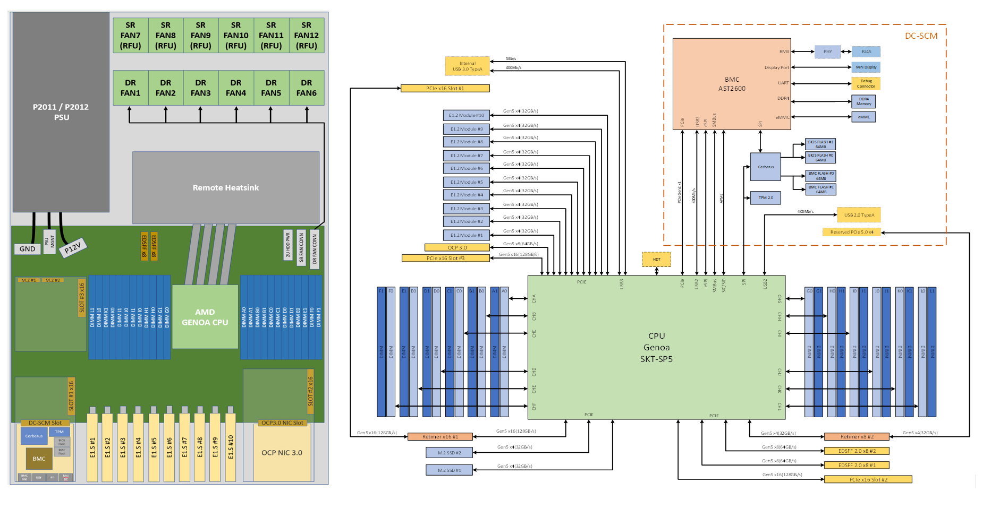
Version | 1 | Number of columns | 11
Device | C2195 | Subrole | GP-MM-MixMode
Row Nbr | Slot | Technology | Form Factor | Bus Width | Connector Width | CPU | Riser | Riser SKU | Use | Notes
01 | PCIe Slot #1 | PCIe 5.0 | PCIE HHHL | x16 | x16 | CPU0 |  |  | Empty
02 | PCIe Slot #2 | PCIe 4.0 | PCIe FHHL | x16 | x16 | CPU0 |  |  | CP FPGA
03 | PCIe Slot #3 | PCIe 4.0 | PCIe FHHL | x16 | x16 | CPU0 |  |  | Empty
04 | PCIe Slot #4 | PCIe 5.0 | OCP 3.0 | x8 | x16 | CPU0 |  |  | NIC - CX5
05 | PCIe Slot #5 | PCIe 2.0/5.0 | DC-SCM | x1x4 | x16 | CPU0 |  |  | DC-SCM
06 | M.2 - #1 | M.2 | NA | x4 | x4 | CPU0 |  |  | Empty
07 | M.2 - #2 | M.2 | NA | x4 | x4 | CPU0 |  |  | M.2
08 | E1.S - #1 | PCIe 5.0 | E1.S | x4 | x4 | CPU0 |  |  | E1.S
09 | E1.S - #2 | PCIe 5.0 | E1.S | x4 | x4 | CPU0 |  |  | E1.S
10 | E1.S - #3 | PCIe 5.0 | E1.S | x4 | x4 | CPU0 |  |  | E1.S
11 | E1.S - #4 | PCIe 5.0 | E1.S | x4 | x4 | CPU0 |  |  | E1.S
12 | E1.S - #5 | PCIe 5.0 | E1.S | x4 | x4 | CPU0 |  |  | E1.S
13 | E1.S - #6 | PCIe 5.0 | E1.S | x4 | x4 | CPU0 |  |  | E1.S
14 | E1.S - #7 | PCIe 5.0 | E1.S | x4 | x4 | CPU0 |  |  | Empty
15 | E1.S - #8 | PCIe 5.0 | E1.S | x4 | x4 | CPU0 |  |  | Empty
16 | E1.S - #9 | PCIe 5.0 | E1.S | x4 | x4 | CPU0 |  |  | Empty
17 | E1.S - #10 | PCIe 5.0 | E1.S | x4 | x4 | CPU0 |  |  | Empty

